Sheet1
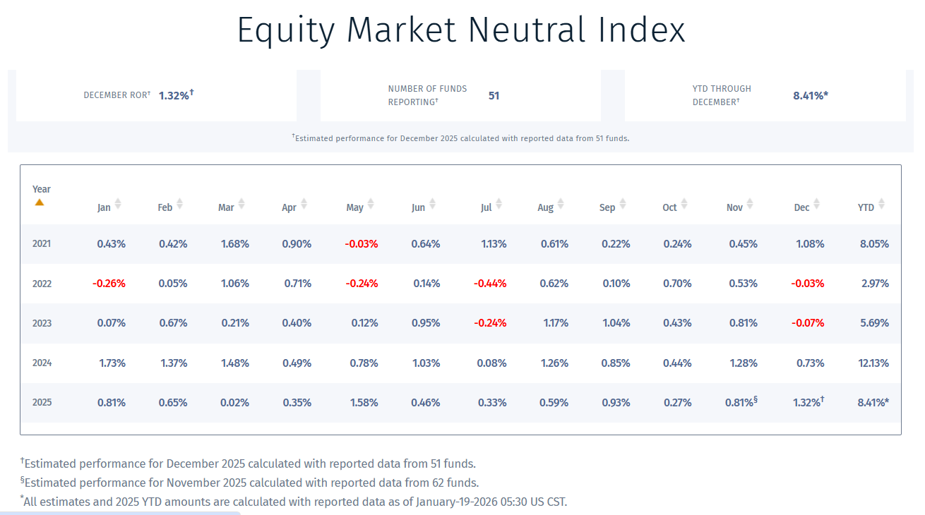
Silverfire Research LLC

Equity Market Neutral Hedge Fund Index vs. S&P 500 Index vs. "Risk-Free" Return

 |  |  |  |  |  |  | Ann. | Sharpe
 | 2021 | 2022 | 2023 | 2024 | 2025 | CAGR% | Volatility | Ratio (a)

Barclay Hedge Equity Market Neutral "EMN" Index Return* | 8.1% | 3.0% | 5.7% | 12.1% | 8.4% | 7.4% | 3.4% | 1.3
Barclay Hedge EMN Index Raw Return (b) | 12.1% | 5.7% | 9.1% | 17.1% | 12.5% | 11.3% | 4.2% | 1.9
S&P 500 Total Return Index | 28.7% | -18.1% | 26.3% | 24.3% | 17.9% | 14.3% | 19.4% | 0.7
US Treasury 3 Month Constant Maturity (DGS3MO:FRED) | 0.1% | 1.5% | 5.0% | 4.9% | 3.9% | 3.1% | 2.2% | nm

EMN Index Grossed-Up for Fees & 3X average leverage (c) | 24.2% | 11.6% | 18.2% | 34.2% | 25.0% | 22.4% | 8.4% | 2.3

* 61 funds reporting, except Nov and Dec 2025 which include only 51 funds
(a) Risk Free Rate used is the average DGS3MO:FRED over the 2021-2025 period, which equals 3.1%
(b) Equals the net return grossed up for fees, assuming a 2% fixed and 20% performance fee on average for all the funds
(c) Typical institutional fund will target 1.5x avg leverage and a max. of 3x. Retail traders can look to double this leverge using portfolio margin, e.g. 3x average and 6x max:
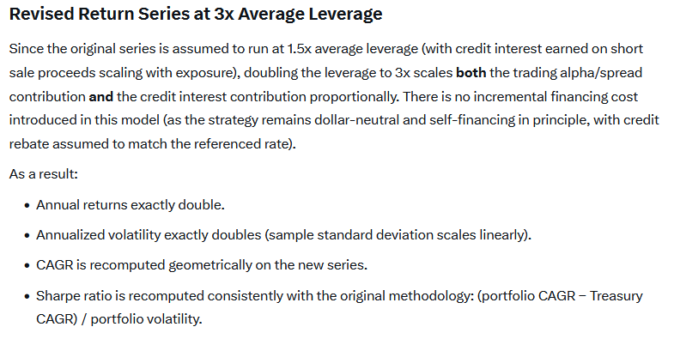
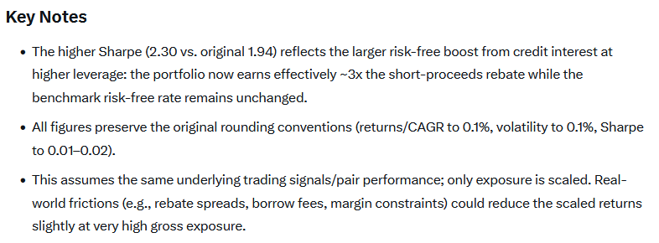

Source: Barclay Hedge, prepared with the assistane of Grok.

